ANS 2
Identify peak booking months and analyze reasons for spikes in bookings, including holidays or events.

SELECT arrival_date_month AS booking_month, COUNT(*) AS total_bookings FROM booking_details GROUP BY booking_month ORDER BY total_bookings DESC;
 | booking_month | total_bookings
 | August | 13877
 | July | 12661
 | May | 11791
 | October | 11160
 | April | 11089
 | June | 10939
 | September | 10508
 | March | 9794
 | February | 8068
Analysis on Peak Booking Months
 | November | 6794
 | December | 6780
 | January | 5929

ANS 3
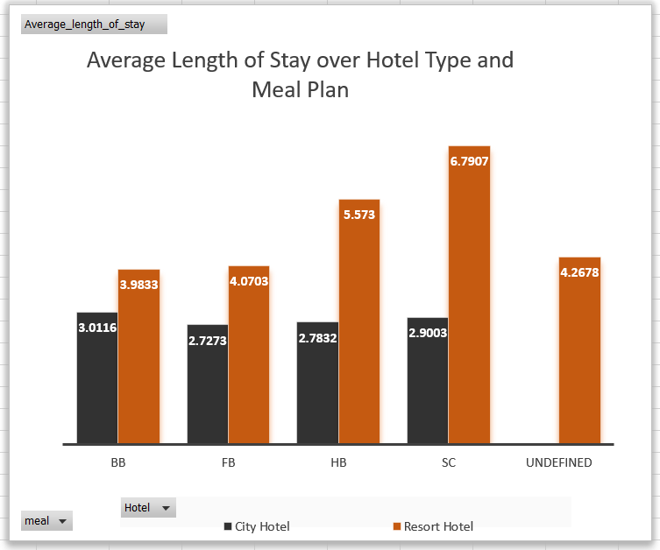
Calculate the average length of stays for different hotel types and explore variations by meal plans.

SELECT bd.hotel, ms.meal, AVG(bd.stays_in_weekend_nights + bd.stays_in_week_nights) AS avg_length_of_stay FROM Booking_details bd JOIN Meal_and_Stay_Details ms ON ms.Booking_id = bd.Booking_id GROUP BY bd.hotel, ms.meal;
 | Hotel | meal | avg_length_of_stay
 | City Hotel | HB | 2.7832
 | City Hotel | BB | 3.0116
 | City Hotel | SC | 2.9003
 | City Hotel | FB | 2.7273
 | Resort Hotel | BB | 3.9833
 | Resort Hotel | FB | 4.0703
 | Resort Hotel | HB | 5.573
 | Resort Hotel | SC | 6.7907
 | Resort Hotel | Undefined | 4.2678

Average Length of Stay over Hotel Type and Meal Plan
 | City Hotel | Resort Hotel
BB | 3.0116 | 3.9833
FB | 2.7273 | 4.0703
HB | 2.7832 | 5.573
SC | 2.9003 | 6.7907
Undefined |  | 4.2678

 | Average_length_of_stay | Column Labels
 | Meal | City Hotel | Resort Hotel | Grand Total
 | BB | 3.0116 | 3.9833 | 6.9949
 | FB | 2.7273 | 4.0703 | 6.7976
 | HB | 2.7832 | 5.573 | 8.3562
 | SC | 2.9003 | 6.7907 | 9.691
 | Undefined |  | 4.2678 | 4.2678
 | Grand Total | 11.4224 | 24.6851 | 36.1075

ANS 4
Analyze how booking patterns have evolved over the years, including yearoveryear changes in bookings and cancellations.

SELECT arrival_date_Year AS booking_year, SUM(CASE WHEN is_canceled = 0 THEN 1 ELSE 0 END) AS total_bookings, SUM(CASE WHEN is_canceled = 1 THEN 1 ELSE 0 END) AS total_cancellations FROM booking_details GROUP BY booking_year ORDER BY booking_year;
 | booking_year | total_bookings | total_cancellations
 | 2015 | 13854 | 8142
 | 2016 | 36370 | 20337
 | 2017 | 24942 | 15745

Booking and Cancellations over Years

ANS 5
Understand the distribution of the number of adults, children, and babies and identify any outliers.

with adults as(SELECT COUNT(*) AS total_bookings, MIN(adults) AS min_adults, MAX(adults) AS max_adults, AVG(adults) AS avg_adults, STDDEV_POP(adults) AS std_dev_adults FROM Guest_info),children as( select MIN(children) AS min_children, MAX(children) AS max_children, AVG(children) AS avg_children, STDDEV_POP(children) AS std_dev_children FROM Guest_info),babies as( select MIN(babies) AS min_babies, MAX(babies) AS max_babies, AVG(babies) AS avg_babies, STDDEV_POP(babies) AS std_dev_babies FROM Guest_info) select * from adults,children,babies
 | total_bookings | min_adults | max_adults | avg_adults | std_dev_adults | min_children | max_children | avg_children | std_dev_children | min_babies | max_babies | avg_babies | std_dev_babies
 | 119390 | 0 | 55 | 1.8564 | 0.57925857291 | 0 | 10 | 0.10388990334 | 0.39855977557 | 0 | 10 | 0.0079 | 0.097435783242

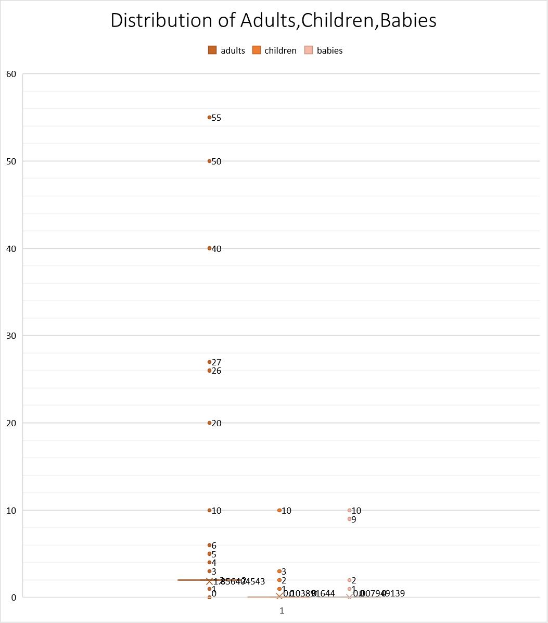
 |  | Adult | children | babies
 | Mean | 1.8564045433 | 0.10389164377 | 0.0079491389131
 | Median | 2 | 0 | 0
 | Minimum value | 0 | 0 | 0
 | First quartile value | 0 | 0 | 0
 | Median quartile value | 2 | 0 | 0
 | Third quartile value | 2 | 0 | 0
 | Maximum value | 55 | 10 | 10
 | IQR | 2 | 0 | 0
 | Lower outlier gate | -3 | 0 | 0
 | Upper outlier gate | 5 | 0 | 0
 | Skewness | 18.317938668 | 4.1125493132 | 24.645925618
 | Kurtosis | 1352.1034237 | 18.673306716 | 1633.8666632

ANS 7
Analyze the distribution of required car parking spaces for each hotel type and determine if one type attracts more guests with cars.

select bd.Hotel Hotel_Type,count(ms.Required_car_parking_spaces) parkings_needed from Booking_details bd join meal_and_stay_details ms on ms.Booking_id=bd.Booking_id group by 1
 | Hotel_Type | parkings_needed
 | Resort Hotel | 40060
 | City Hotel | 79330

Parkings for Each Hotel Type

ANS 9
Understand the distribution of meal plans (e.g., BB, HB, FB, SC) and identify any patterns or preferences.

Meal Distribution
SELECT meal Meal,count(*) Meal_Distribution_count from meal_and_stay_details group by 1
 | Meal | Meal_Distribution_count
 | BB | 92310
 | HB | 14463
 | SC | 10650
 | Undefined | 1169
 | FB | 798

ANS 10
Analyze Average Daily Rates (ADR) by meal plan type to identify variations in pricing.

SELECT meal,ROUND(AVG(adr), 2) AS avg_adr FROM Meal_and_Stay_Details GROUP BY meal;
 | meal | avg_adr | Meal Plan | Description
 | BB | 99.41 | BB | Bed and Breakfast
 | FB | 109.04 | FB | Full Board (Breakfast, Lunch, Dinner)
 | HB | 120.31 | HB | Half Board (Breakfast, Dinner)
 | SC | 98.3 | SC | Self-Catering
 | Undefined | 91.95

Meal Plan over ADR

ANS 11
Investigate the distribution of required car parking spaces and special requests by hotel type and meal plan.

SELECT bd.hotel,ms.meal, Round(AVG(ms.required_car_parking_spaces),2) AS avg_parking_spaces, SUM(ms.total_of_special_requests) AS total_special_requests FROM Meal_and_Stay_Details ms JOIN Booking_details bd ON bd.booking_id = ms.booking_id GROUP BY bd.hotel, ms.meal;
 | hotel | meal | avg_parking_spaces | total_special_requests |  | Column Labels
 | Resort Hotel | BB | 0.15 | 19494 | Row Labels | City Hotel | Resort Hotel | Grand Total
 |  | FB | 0.07 | 174 | Sum of avg_parking_spaces
 |  | HB | 0.11 | 4916 | BB | 0.03 | 0.15 | 0.18
 |  | SC | 0.12 | 38 | FB | 0.05 | 0.07 | 0.12
 |  | Undefined | 0.04 | 206 | HB | 0.02 | 0.11 | 0.13
 | City Hotel | HB | 0.02 | 2776 | SC | 0.02 | 0.12 | 0.14
Distribution of Hotel Type and Meal Plan over Parking Required and Special Request Made
 |  | BB | 0.03 | 32685 | Undefined |  | 0.04 | 0.04
 |  | SC | 0.02 | 7914 | Sum of total_special_requests
 |  | FB | 0.05 | 12 | BB | 32685 | 19494 | 52179
 |  |  |  |  | FB | 12 | 174 | 186
 |  |  |  |  | HB | 2776 | 4916 | 7692
 |  |  |  |  | SC | 7914 | 38 | 7952
 |  |  |  |  | Undefined |  | 206 | 206
 |  |  |  |  | Total Sum of avg_parking_spaces | 0.12 | 0.49 | 0.61
 |  |  |  |  | Total Sum of total_special_requests | 43387 | 24828 | 68215

ANS 12
Understand the distribution of bookings across different market segments and calculate summary statistics for lead times within each segment.

SELECT m.market_segment, COUNT(b.booking_id) AS Total_bookings, AVG(b.lead_time) AS Mean_lead_time, MIN(b.lead_time) AS Min_lead_time, MAX(b.lead_time) AS Max_lead_time, ROUND(STDDEV(b.lead_time), 2) AS StdDev_lead_time FROM booking_details b JOIN booking_source_and_history bh ON bh.Booking_id = b.Booking_id JOIN market_segment m ON m.market_segment_id = bh.market_segment_id JOIN (SELECT GROUP_CONCAT(lead_time ORDER BY lead_time) AS QUARTILES FROM booking_details) AS quartile_table GROUP BY m.market_segment;
 | market_segment | Total_bookings | Mean_lead_time | Min_lead_time | Max_lead_time | StdDev_lead_time
 | Direct | 12606 | 49.8591 | 0 | 737 | 70.12
 | Corporate | 5295 | 22.1256 | 0 | 343 | 37.43
 | Online TA | 56477 | 82.9987 | 0 | 403 | 79.06
 | Offline TA/TO | 24219 | 135.0045 | 0 | 532 | 112
 | Complementary | 743 | 13.2867 | 0 | 386 | 31.79
 | Groups | 19811 | 186.9731 | 0 | 629 | 136.82
 | Aviation | 237 | 4.443 | 0 | 23 | 4.6
 | Undefined | 2 | 1.5 | 1 | 2 | 0.5

ANS 13
Analyze the distribution of bookings through different booking channels (e.g., online travel agents, direct bookings) and calculate the percentage of bookings through each channel.

with Bookings_through_channels as(select d.distribution_channel,count(bs.booking_id) bookings_made from distribution_channel d join booking_source_and_history bs on bs.distribution_channel_id=d.distribution_channel_id group by 1),total_bookings as( select count(booking_id) total_booking from booking_source_and_history) select distribution_channel,round((bookings_made/total_booking)*100,2) as Booking_percentage from Bookings_through_channels,total_bookings
 | distribution_channel | Booking_percentage
 | Direct | 12.27
 | Corporate | 5.59
 | TA/TO | 81.98
 | Undefined | 0
 | GDS | 0.16

% Booking through Distribution Channel

ANS 14
Calculate the proportion of repeated guests and investigate their booking behavior. Identify any patterns or differences in preferences compared to firsttime guests.

WITH GuestBookings AS ( SELECT Booking_id, CASE WHEN is_repeated_guest = 1 THEN 'Repeated Guest' ELSE 'First-time Guest' END AS guest_category, previous_cancellations, previous_bookings_not_canceled, days_in_waiting_list FROM booking_source_and_history ) SELECT gb.guest_category, COUNT(*) AS TotalBookings, round(AVG(CASE WHEN gb.guest_category = 'Repeated Guest' THEN gb.previous_cancellations ELSE( AVG(CASE WHEN gb.guest_category = 'First-time Guest' THEN gb.previous_cancellations END),2) AS AvgPreviousCancellations, round(AVG(CASE WHEN gb.guest_category = 'Repeated Guest' THEN gb.previous_bookings_not_canceled ELSE AVG(CASE WHEN gb.guest_category = 'First-time Guest' THEN gb.previous_bookings_not_canceled' END),2) AS AvgPreviousBookingsNotCanceled, round(AVG(CASE WHEN gb.guest_category = 'Repeated Guest' THEN gb.days_in_waiting_list ELSE round(AVG(CASE WHEN gb.guest_category = 'First-time Guest' THEN gb.days_in_waiting_list END),2) AS AvgDaysInWaitingList_RepeatedGuest, ELSE '0' END),2) AS AvgDaysInWaitingList_FirstTimeGuest FROM GuestBookings gb GROUP BY gb.guest_category;

 | guest_category | TotalBookings | AvgPreviousCancellations | AvgDaysInWaitingList | AvgPreviousBookingsNotCanceled
 | First-time Guest | 115580 | 0.07 | 2.39 | 0.02
 | Repeated Guest | 3810 | 0.47 | 0.17 | 3.59

Booking Behaviour of Guest

ANS 17
Analyze the impact of booking changes on cancellation rates. Calculate cancellation rates for bookings with different numbers of changes.

WITH CanceledBookings AS ( SELECT COUNT(*) AS canceled_count FROM room_details WHERE assigned_room_type <> reserved_room_type ), TotalBookings AS ( SELECT COUNT(*) AS total_count FROM room_details ) SELECT booking_changes, COALESCE(canceled_count, 0) AS canceled_count, total_count, CASE WHEN total_count > 0 THEN (CAST(canceled_count AS FLOAT) / total_count) * 100 ELSE 0 END AS cancellation_rate FROM (SELECT booking_changes, SUM(CASE WHEN assigned_room_type <> reserved_room_type THEN 1 ELSE 0 END) AS canceled_count, COUNT(*) AS total_count FROM room_details GROUP BY 1 ORDER BY 1 )as bookings
 | booking_changes | canceled_count | total_count | cancellation_rate
 | 0 | 11028 | 101314 | 10.88
 | 1 | 2886 | 12701 | 22.72
CancellationRate over Booking Chanages
 | 2 | 642 | 3805 | 16.87
 | 3 | 195 | 927 | 21.04
 | 4 | 80 | 376 | 21.28
 | 5 | 36 | 118 | 30.51
 | 6 | 16 | 63 | 25.40
 | 7 | 9 | 31 | 29.03
 | 8 | 6 | 17 | 35.29
 | 9 | 3 | 8 | 37.5
 | 10 | 2 | 6 | 33.33
 | 11 | 1 | 2 | 50
 | 12 | 1 | 2 | 50
 | 13 | 3 | 5 | 60
 | 14 | 3 | 5 | 60
 | 15 | 2 | 3 | 66.67
 | 16 | 0 | 2 | 0
 | 17 | 2 | 2 | 100
 | 18 | 0 | 1 | 0
 | 20 | 1 | 1 | 100
 | 21 | 1 | 1 | 100

ANS 18
Room Type preferences over Customer Type
Explore how room type preferences vary across different customer types (e.g., Transient, Group). Identify if certain customer types have specific room preferences.

select bs.customer_type, count(r.reserved_room_type) bookings_count from booking_source_and_history bs join room_details r on r.booking_id=bs.booking_id group by 1
 | customer_type | Room Type preferences
 | Transient | 89613
 | Contract | 4076
 | Transient-Party | 25124
 | Group | 577

ANS 19
Examine whether guests who make multiple bookings have consistent room type preferences or if their preferences change over time.

SELECT bs.is_repeated_guest, r.reserved_room_type, COUNT(*) AS bookings_made FROM booking_source_and_history bs JOIN room_details r ON r.booking_id = bs.booking_id GROUP BY bs.is_repeated_guest, r.reserved_room_type ORDER BY bs.is_repeated_guest, bookings_made DESC;
 | is_repeated_guest | reserved_room_type | bookings_made
 | 0 | A | 82921
 | 0 | D | 18832
 | 0 | E | 6350
 | 0 | F | 2831
 | 0 | G | 2029
 | 0 | B | 1105
 | 0 | C | 905
 | 0 | H | 589
 | 0 | P | 12
 | 0 | L | 6
Room Type preferences
 | 1 | A | 3073
 | 1 | D | 369
 | 1 | E | 185
 | 1 | F | 66
 | 1 | G | 65
 | 1 | C | 27
 | 1 | B | 13
 | 1 | H | 12

ANS 20
Understand the distribution of reservation statuses and calculate summary statistics for reservation status dates.

***distribution of reservation status SELECT reservation_status, COUNT(*) AS status_count FROM reservation_status GROUP BY reservation_status | reservation_status | status_count
 | Canceled | 43017
 | Check-Out | 75166
 | No-Show | 1207

***summary statistics for reservation status dateSELECT MIN(reservation_status_date) AS min_date, MAX(reservation_status_date) AS max_date, COUNT(*) AS total_reservations, DATEDIFF(MAX(reservation_status_date), MIN(reservation_status_date)) AS total_days, AVG(DATEDIFF(reservation_status_date,(SELECT MIN(reservation_status_date) FROM reservation_status))) AS avg_days_until_reservation FROM reservation_status | min_date | max_date | total_reservations | total_days | avg_days_until_reservation
 | 2014-10-17 | 2017-09-14 | 119390 | 1063 | 652.0172

Distribution of Reservation Status
 |  | Mean | 42581.017221
 |  | Median | 42589
 |  | First quartile value | 42401
 |  | Median quartile value | 42589
 |  | Third quartile value | 42774
 |  | Maximum value | 0
 |  | IQR | 373
 |  | Lower outlier gate | 41841.5
 |  | Upper outlier gate | 43333.5
 |  | Skewness | -0.15976500371 | symmetric skewed
 |  | Kurtosis | -0.90295681901 | 2.097043181 | Normal Distribution

ANS 21
Analyze trends in reservation status dates, including the most common checkout dates and any seasonality patterns.

SELECT DATE_FORMAT(reservation_status_date, '%Y-%m-01') AS month_start, COUNT(*) AS checkout_count FROM reservation_status WHERE reservation_status = 'Check-Out' GROUP BY month_start ORDER BY month_start;
 | monty_start | checkout_count
 | 2016-10-01 | 3694
 | 2016-05-01 | 3593
 | 2017-05-01 | 3573
 | 2016-09-01 | 3348
 | 2016-04-01 | 3347
 | 2017-07-01 | 3336
 | 2015-10-01 | 3304
 | 2016-08-01 | 3240
 | 2017-03-01 | 3216
 | 2017-06-01 | 3198
 | 2016-03-01 | 3194
Seasonality trend over checkout_count
 | checkout_count
5/1/2016 | 3593
5/1/2017 | 3573
9/1/2016 | 3348
4/1/2016 | 3347
7/1/2017 | 3336
10/1/2015 | 3304
8/1/2016 | 3240
3/1/2017 | 3216
6/1/2017 | 3198
3/1/2016 | 3194
4/1/2017 | 3182
6/1/2016 | 3168
8/1/2017 | 3097
7/1/2016 | 3080
11/1/2016 | 3052
9/1/2015 | 2986
2/1/2017 | 2705
1/1/2017 | 2635
2/1/2016 | 2435
12/1/2016 | 2233
8/1/2015 | 2224
11/1/2015 | 1987
1/1/2016 | 1985
12/1/2015 | 1640
7/1/2015 | 1321
9/1/2017 | 393
 | 2017-04-01 | 3182
 | 2016-06-01 | 3168
 | 2017-08-01 | 3097
 | 2016-07-01 | 3080
 | 2016-11-01 | 3052
 | 2015-09-01 | 2986
 | 2017-02-01 | 2705
 | 2017-01-01 | 2635
 | 2016-02-01 | 2435
 | 2016-12-01 | 2233
 | 2015-08-01 | 2224
 | 2015-11-01 | 1987
 | 2016-01-01 | 1985
 | 2015-12-01 | 1640
 | 2015-07-01 | 1321
 | 2017-09-01 | 393

ANS 22
Explore how reservation statuses vary across different customer types (e.g., Transient, Group) using Excel or SQL. Calculate cancellation rates by customer type.

WITH reservation_count AS ( SELECT b.customer_type AS customer_type, COUNT(r.reservation_status) AS reservation_count FROM booking_source_and_history b JOIN reservation_status r ON r.booking_id = b.booking_id GROUP BY b.customer_type ), total_reservations AS ( SELECT COUNT(reservation_status) AS total_reservations FROM reservation_status ), reservations_cancelled AS ( SELECT CASE WHEN is_cancelled = 1 THEN 'cancelled' ELSE 'not_cancelled' END AS reservation_status FROM booking_details ) SELECT rc.customer_type, rc.reservation_count, round(rc.reservation_count * 100.0 / tr.total_reservations,2) AS cancellation_rate FROM reservation_count rc CROSS JOIN total_reservations tr;
 | customer_type | reservation_count | cancellation_rate
 | Transient | 89613 | 75.06
 | Contract | 4076 | 3.41
 | Transient-Party | 25124 | 21.04
 | Group | 577 | 0.48

Reservation_count over Customer Type
Cancellation_rate over Customer Type

ANS 23
Investigate whether there are differences in Average Daily Rates (ADR) based on reservation status (e.g., canceled vs. checkedout).

SELECT r.reservation_status,round(avg(m.adr),2) Avg_ADR from meal_and_stay_details m join reservation_status r on r.booking_id=m.booking_id group by 1
 | reservation_status | Avg_ADR
 | Check-Out | 99.99
 | Canceled | 105.21
 | No-Show | 96.38

ADR over Reservation Status

Sheet27
Cancelation rate by arrival month, trying to analyze how cancellation rates change over time

SELECT arrival_date_month, COUNT(*) AS total_reservations, SUM(CASE WHEN is_canceled = 1 THEN 1 ELSE 0 END) AS canceled_reservations, CAST(SUM(CASE WHEN is_canceled = 1 THEN 1 ELSE 0 END) * 100.0 / COUNT(*) AS DECIMAL(5, 2)) AS cancellation_rate FROM booking_details GROUP BY arrival_date_month ORDER BY cancellation_rate DESC;
 | arrival_date_month | total_reservations | canceled_reservations | cancellation_rate
 | June | 10939 | 4535 | 41.46
 | April | 11089 | 4524 | 40.8
 | May | 11791 | 4677 | 39.67
 | September | 10508 | 4116 | 39.17
 | October | 11160 | 4246 | 38.05
 | August | 13877 | 5239 | 37.75
 | July | 12661 | 4742 | 37.45
 | December | 6780 | 2371 | 34.97
 | February | 8068 | 2696 | 33.42
 | March | 9794 | 3149 | 32.15
 | November | 6794 | 2122 | 31.23
 | January | 5929 | 1807 | 30.48

Total and Cancelled Reservations over Time

Sheet29
CUSTOMER SEGMMENTATION --Exploring how customer types affect cancellation

SELECT b.customer_type, COUNT(*) AS total_bookings, SUM(CASE WHEN bd.is_canceled = 1 THEN 1 ELSE 0 END) AS canceled_bookings, AVG(CASE WHEN bd.is_canceled = 1 THEN 1 ELSE 0 END) AS cancellation_rate FROM booking_source_and_history b join booking_details bd on bd.Booking_id=b.Booking_id GROUP BY customer_type;
 | customer_type | total_bookings | canceled_bookings | cancellation_rate
 | Transient | 89613 | 36514 | 0.4075
 | Contract | 4076 | 1262 | 0.3096
 | Transient-Party | 25124 | 6389 | 0.2543
 | Group | 577 | 59 | 0.1023
 |  |  |  |  | v

Cancellations over Customer Type

